Sheet1
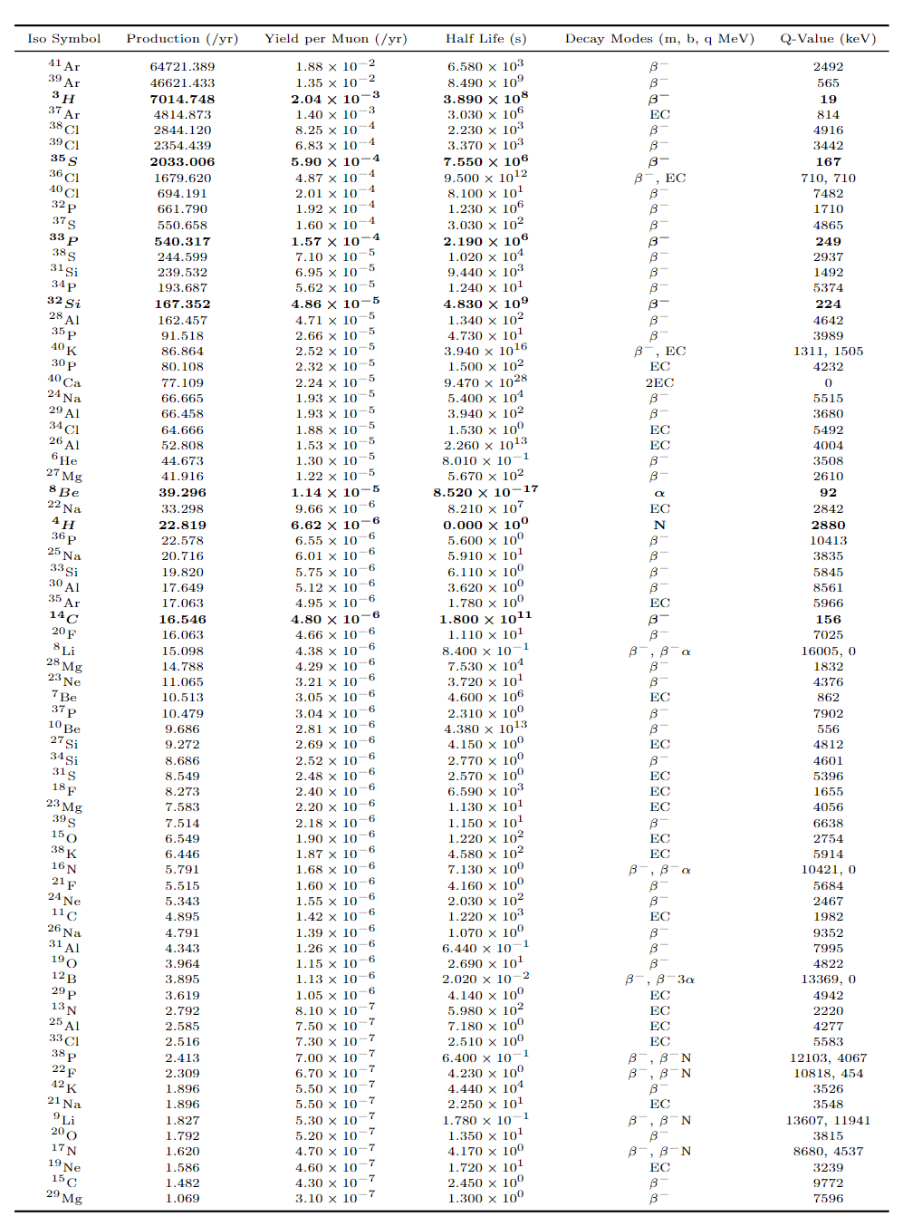
Shielding | FTFP
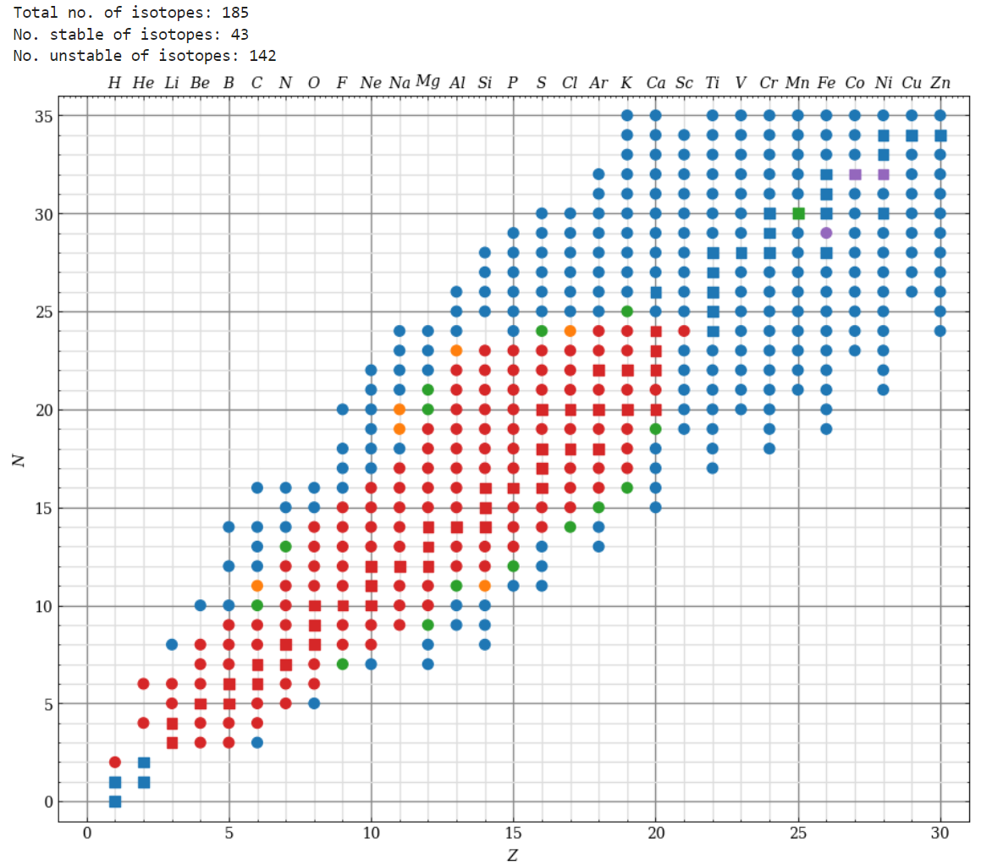
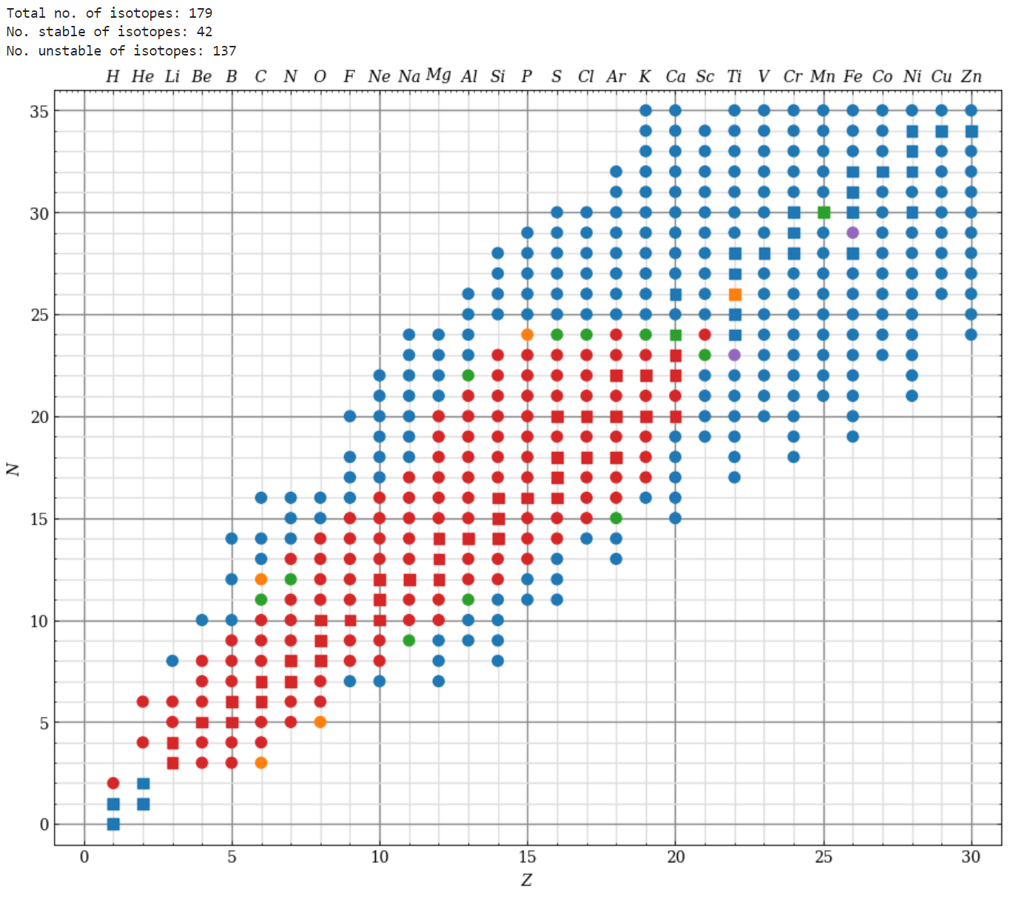
 |  |  | Muon rate
 |  | Area | 314.15926536 | 314.15926536 | m^2
 |  | Flux | 3.48E-04 | 2.00E-07 | m^2s^-1
 |  | Year | 31536000 | 31536000
 |  |  | 3.44E+06 | 1981.47

Total average production yield per muon: 0.01926 | Total average production yield per muon: 0.00483
Unstable average production yield per muon: 0.00762 | Unstable average production yield per muon: 0.00025
Stable average production yield per muon: 0.05564 | Stable average production yield per muon: 0.01904
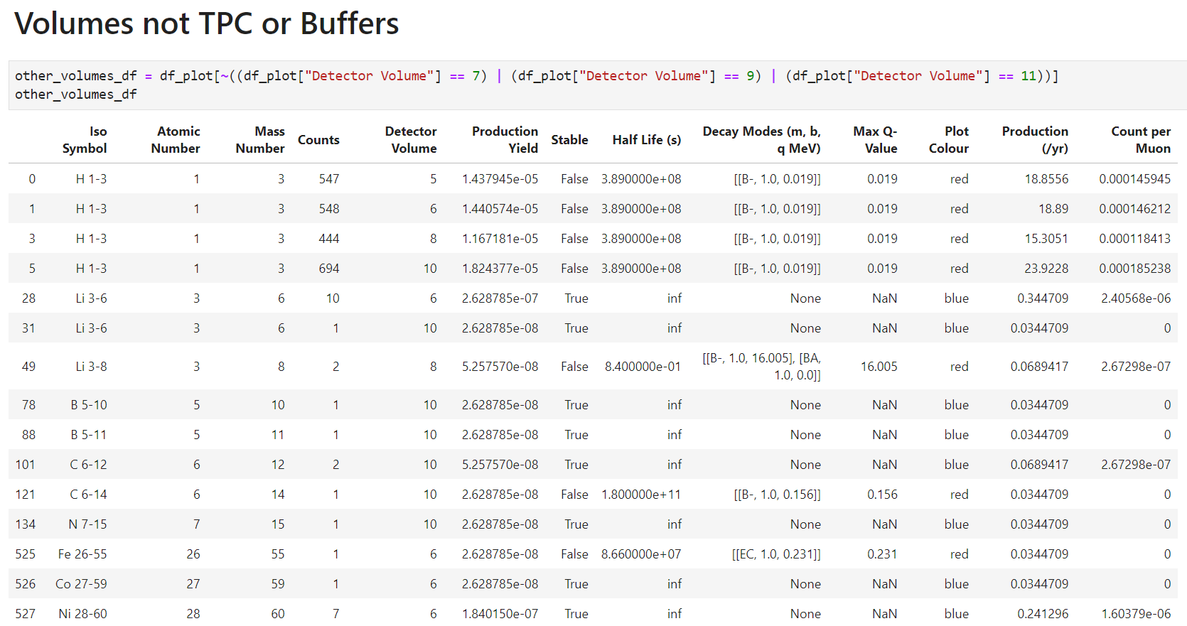
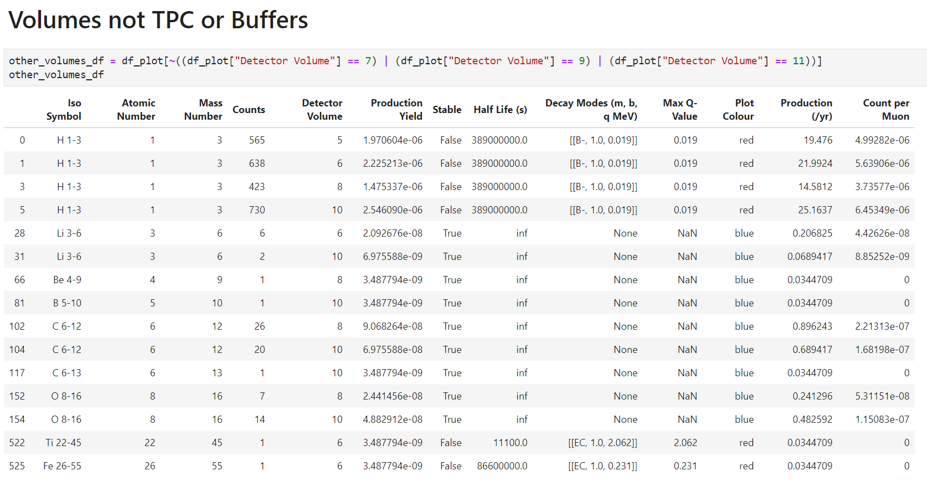
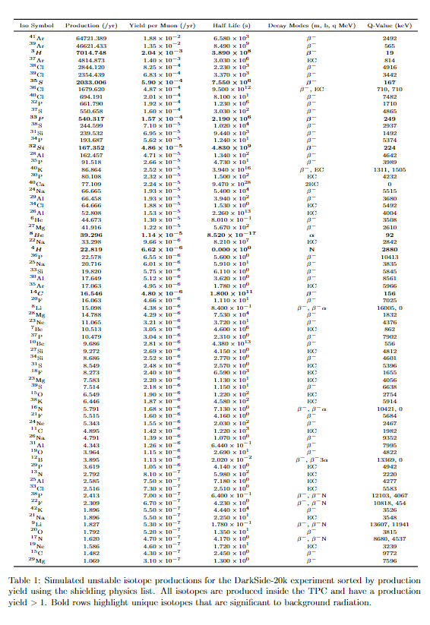

Simulation length (yr): 29.01073397156948 | Simulation length (yr): 29.01073397156948

TPC | TPC
Both distributed the same
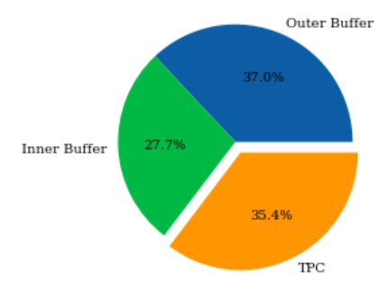

Prompt to delayed looks the same

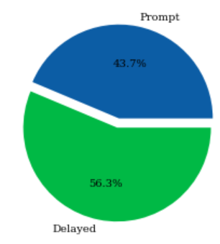

Yields + differences both the same
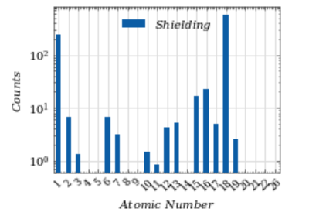
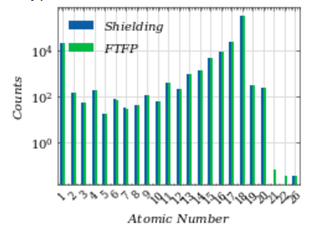

 |  |  | 0.800698
 |  |  | 0 | 0.800698

 |  |  | ($1-(27.7\% * 57.2\%)$)

Prompt | Prompt
Beta decays 0-100keV: | Only gunna focus on shielding model as basically the same
H-3 100%
 |  | TPC | 463558.66942 | 260983.53089
 |  | All | 1311285.3154 | 261341.78593
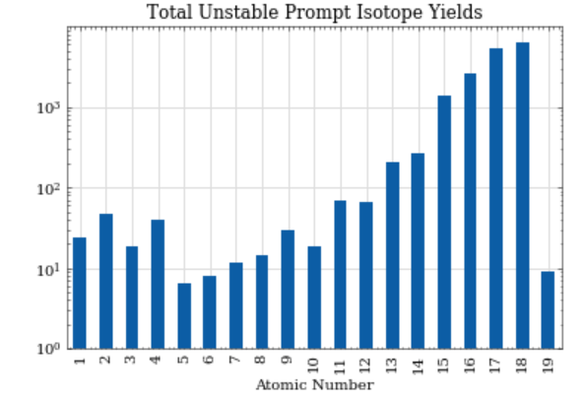

 |  |  | 392851.15477 | 392405.68769
 |  |  | 391960.22061 | 445.46708032

Delayed | Delayed
Beta decays 0-100keV:
S-35 100%
P-33 100%
Mg-28 65keV 4.9% 155keV 94%

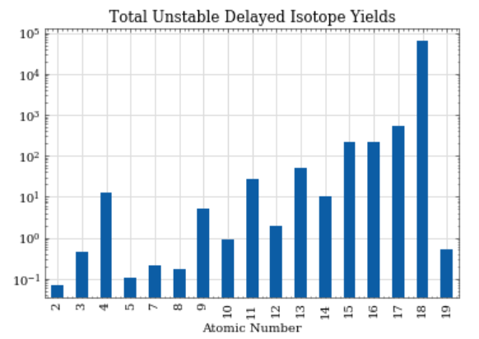

Buffers | Buffers
Unknown and need more simulations

Table comments | Table comments
Erecoil
 | Nrecoil
H-3 | bdecay in range prompt long half life to survive
S-35 | bdecay in range prompt long half life to survive
P-33 | bdecay in range both prompt and delayed with long enough half life
Mg-28 | bdecay in range
P-38 | beta neutron small percentage 12.5%
F-22 | beta neutron small percentage 11%
Li-9 | beta neutron 50% percentage
N-17 | beta neutron 95%
Be-8 | Alpha decay 91.84 keV energy
H-4 | Neutron decay but instantanious
Li-8 | Alpha decay through Be-8 to He-4

